Detailed Guidelines
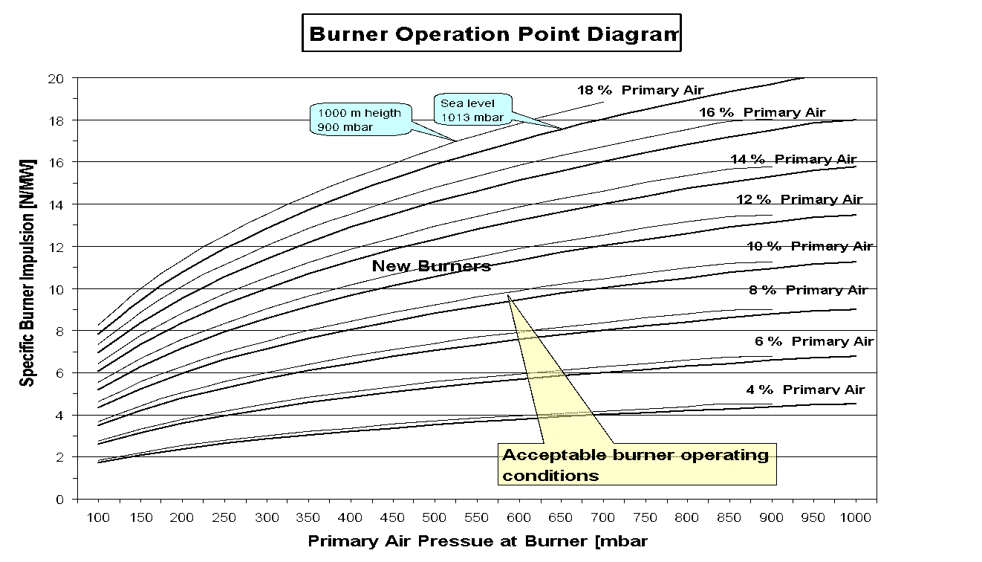
 | Key Characteristics of Main Burners |  |  |  |  |  |  |  |  | (Rev. 19.02.2008)

1 |  | Burner Operating / Design Criteria |  |  |  | Pay Attention To |  |  | Remarks / Actions

1.1 |  | Burner

1.1.1 |  | Operating Criteria Required for Existing Burners |  |  |  |  |  | ● Take into account the enclosed burner operating point diagram (Annex below)

 |  |  |  |  |  |  |  | ● Specific Impulsion → Most important criteria for burner operation
1.1.1.1 |  | Specific Burner Impulsion: G = 9 - 11 N/MW |  |  |  | ● Excluding transport air volume flow |  | ● *Fuel mass flow has to be considered for gas burners
 |  |  |  |  |  | and fuel mass flow, at zero swirl vane angle |  | ● Highest momentum for petcoke required
 |  |  |  |  |  |  |  | ● Usual swirl number = 0.1 - 0.25
 |  |  |  |  |  |  |  | ● Rule of thumb: Specific impulsion, Gax [N/MW] = PA [%] * v [m/s] *1/300
 |  |  |  |  |  |  |  | Primary air exit velocity at burner tip , v [m/s] = √ ( 2 dp / ρ )
 |  |  |  |  |  |  |  | dp [Pa] - pressure at burner tip minus ~ 5 %
 |  |  |  |  |  |  |  | ρ [kg/m3] - air density at burner tip, t = 50 °C
1.1.1.2 |  | Primary Air
 |  | A) Burner with Primary Air Fan(s) |  |  |  |  |  | ● Single stage primary air fans are used at burners from Pillard, Unitherm
 |  |  |  |  |  |  |  | ● Double stage primary air fans are used at burners from FLS
 |  | Primary Air Pressure = 200 - 350 mbar |  |  |  |  |  | ● Primary air pressure close to the burner tip, i.e. relevant pressure
 |  | Primary Air Amount = 12 - 18 % Amin |  |  |  |  |  | for the creation of the primary air impulse at burner tip
 |  |  |  |  |  |  |  | ● Real volume flow during burner operation,
 |  |  |  |  |  |  |  | Amin → minimum combustion air, i.e. zero excess air,
 |  |  |  |  |  | ● Excluding transport air volume flow |  | Amin is calculated for main burner operating fuel energy,
 |  |  |  |  |  |  |  | Amin ≈ 0.26 Nm3/MJ
1.1.1.3 |  | B) Burner with Blower(s) |  |  |  |  |  | ● Blowers are used by all manufacturers (e.g. for axial air), sometimes on request only
 |  |  |  |  |  |  |  | ● KHD: axial ~900 mbar, swirl pressure <200 mbar (separate fan)
 |  | Primary Air Pressure = 350 - 1000 mbar |  |  |  |  |  | C.Greco: axial ~450 mbar, swirl pressure <100 mbar (reduced by damper)
 |  | Primary Air Amount = 8 - 14 % Amin |  |  |  |  |  | ● Amin = minumum combustion air (at zero exess air)

 |  |  |  |  |  |  |  | ● Fuel injection velocity depends on burner tip exit cross
1.1.1.4 |  | Solid Fuel Injection Velocity |  |  |  |  |  | section (designed by burner supplier) and transport air
 |  |  | Peat / Brown Coal | 35 - 40 | m/s | ● Not to have double flames |  | volume flow
 |  |  | Coal | ≈ 30 | m/s | ● Swirl air for AFR channels to be used with care |  | ● Fuel injection velocity has to be in correspondence with the fuel type,
 |  |  | Petcoke | ≈ 25 | m/s | (impingements on refractory/material bed) |  | the higher the volatile matter content, the higher the injection velocity
 |  |  | Anthracite | 20 - 25 | m/s |  |  | ● Peat, brown coal, coal, petcoke, anthracite: injection via circular fuel channel
 |  |  | AFR | 25 - 45 | m/s |  |  | ● AFR: In general injection via separate jacket tube inside burner center
 |  |  |  |  |  |  |  | ● Fuel injection velocity can be based on t = 50 °C

 |  |  |  |  |  |  |  | ● Position of the burner tip front plate between +1.5m inwards and
1.1.1.5 |  | Burner Alignment |  |  |  | ● Parallel to Kiln Axis |  | -1.0m outwards of the rotary kiln, depends on kiln L/D and
 |  |  |  |  |  | ● Center of kiln |  | temperature profile

1.1.2 |  | Design Criteria for New Burners |  |  |  |  |  | ● Recommendations for the design of new burners

1.1.2.1
 |  | Specific Burner Impulsion: G = 11 N/MW |  |  |  | ● Excluding transport air volume flow |  | ● New burners have to be designed for specific burner
 |  |  |  |  |  | and fuel mass flow, at zero swirl vane angle |  | impulsion of 11 N/MW, generated only by primary air

 |  | Primary Air
1.1.2.2 |  | A) Burner with Primary Air Fan(s) |  |  |  |  |  | ● Both primary air pressure and primary air amount have to be adapted
 |  | Primary Air Pressure = > 300 mbar |  |  |  |  |  | so that, the required specific impulsion of round 11 N/MW is met,
 |  | Primary Air Amount = 13 - 15 % Amin |  |  |  |  |  | consider the burner operation point diagram (Annex below)

 |  |  |  |  |  | ● Excluding transport air volume flow |  | ● Safety reserve of PA amount of 10% should be considered
1.1.2.3 |  | B) Burner with Blower(s) |  |  |  |  |  | -> 30% margin of the PA fan motor power
 |  | Primary Air Pressure = > 350 mbar
 |  | Primary Air Amount = 9 - 14 % Amin

1.1.2.4 |  | Fuel Injection Velocity → See Pos. 1.1.1.4 |  |  |  |  |  | ● Fuel injection velocity depends on burner tip exit cross
 |  |  |  |  |  |  |  | section (designed by burner supplier) and transport air
 |  |  |  |  |  |  |  | volume flow

1.1.2.5 |  | Burner Alignment |  |  |  | ● Parallel to kiln axis |  | ● The burner carriage and supporting structure should alllow for proper
 |  |  |  |  |  | ● Center of kiln |  | adjustment of the burner position within the kiln (center of kiln cross
 |  |  |  |  |  |  |  | section, parallel to the kiln axis, adjustable up to 1.5-2 m into the kiln)
 |  |  |  |  |  |  |  | ● Kiln burner platform to be designed to support the load of the fully
 |  |  |  |  |  |  |  | assembled burner and to allow the complete extraction of the burner
 |  |  |  |  |  |  |  | (in one piece) from the kiln

1.1.2.6 |  | Arrangement of AFR Channels |  |  |  | ● Inside burner center |  | ● On top installations of AFR channel are only exceptionally acceptable
 |  |  |  |  |  |  |  | for very heavy particles
 |  |  |  |  |  |  |  | ● When new burner is ordered, consider at least one additional AFR channel
 |  |  |  |  |  |  |  | (> 100 mm) as reserve for later use
 |  |  |  |  |  |  |  | ● Up to 5 separate liquid and solid AFR channels are possible today

1.1.2.7 |  | Procedure for Burner Design |  |  |  |  |  | ● Design of thermal power of the burner has to be realistic, over dimensioning
 |  |  |  |  |  |  |  | not bigger than +10 %
 |  | Step 1: | Define design thermal power of the burner: |  |  |  |  | ● Oversized burners hamper the increased utilization of AFR, because of too
 |  |  | Design Burner Thermal Power = BDP * Real Heat Consumption * Real Burning Zone Fuel Ratio |  |  |  |  | big dimensioned coal dosage systems
 |  |  | Cross-check: Thermal Power of the offered burner has to be close to the Design Thermal Power -> |  |  |  |  | ● BDP → Best Demonstrated Practice of clinker production (t/d),
 |  |  | Burner Thermal Power = Design Thermal Power + 10 % Reserve |  |  |  |  | new Holcim kilns are generally designed for BDP

 |  | Step 2: | Select required Primary Air Fan Size: Expected Specific Impulsion = f (Primary Air Amount, PA Pressure, Altitude) |  |  |  |  | ● Use for new kilns the realistically expected long term heat consumption,
 |  |  | Amin is based on Design Thermal Power; Use template "Burner-Check.xls" |  |  |  |  | which is higher than the guarantee value

 |  | Step 3: | In tender doc and discussion with suppliers specify clearly: |  |  |  |  | ● Permissible operating range of the burner = ±10% (max ± 15%)
 |  |  | Design Thermal Power (MW), Primary Air Fan Volume Flow (m3/h), Primary Air Fan Pressure (mbar) and |  |  |  |  | of design burner thermal power
 |  |  | the ambient conditions, i.e. plant altitude (m) and temperature range (°C) at fan location |  |  |  |  | ● Calciner kilns: Burning Zone Fuel Ratio is generally = 40 - 50 %

1.2 |  | Primary Air Fan / Blower - Design

1.2.1 |  | Primary Air Fan(s) / Blower(s) |  |  |  |  |  | ● Recommendations for the design of new fans or blowers

 |  |  |  |  |  |  |  | ● For new primary fans/blowers the ambient conditions of the location must be
 |  |  |  |  |  |  |  | considered, i.e. ambient pressure (determined by plant altitude) and
1.2.1.1 |  | Fan/Blower Volume Flow = Pos. 1.1.2.2/3 + ≈ 10 % Reserve |  |  |  | ● Amin with zero excess air |  | ambient minimum/maximum temperatures.
 |  |  |  |  |  |  |  | ● Fan/blower reserve of at least 10 % is necessary, to compensate
1.2.1.2 |  | Fan/Blower Pressure = Pos. 1.1.2.2/3 + ≈ 10 % Reserve |  |  |  | Fan/blower reserve is required because of installation loss: |  | pressure losses between burner tip and fan location.
 |  |  |  |  |  |  |  | ● Furthmore fans respectively blowers have production tolerances both
 |  |  |  |  |  |  |  | in volume flow and pressure difference of about ± 5 %.
 |  |  |  |  |  |  |  | ● In order to keep the installation loss as small as possible the
 |  |  |  |  |  |  |  | following malfunction sources to be avoided:
 |  |  |  |  |  |  |  | ● bend directly before or behind the fan,
 |  |  |  |  |  |  |  | ● transition pieces inappropriate,
 |  |  |  |  |  |  |  | ● pressure loss caused by suction box or sound absorber,
 |  |  |  |  |  |  |  | ● fan located too far away from the burner,
 |  |  |  |  |  |  |  | ● too much bends and transition pieces between fan and burner,
 |  |  |  |  |  |  |  | ● inlet swirl at the fan by components,
 |  |  |  |  |  |  |  | ● leakage losses in ducts, flexible tubes and compensators.
 |  |  |  |  |  |  |  | ● The installation of separate fans, one for axial the other for the swirl channel
 |  |  |  |  |  |  |  | is recommended, if Pillard burner is used. This measure is recommended,
 |  |  |  |  |  |  |  | to avoid volume flow respectively pressure impacts from one channel to the
 |  |  |  |  |  |  |  | other, when the exit cross-section of one channel is changed.

1.2.2 |  | Motors for Primary Air Fans / Blowers |  |  |  |  |  | ● Recommendations for the motor design

 |  |  |  |  |  |  |  | ● Should the burner tip resistance be lower than calculated, there
1.2.2.1 |  | Installed Motor Power = Shaft power + > 30 % Reserve |  |  |  | ● Power consumption increases even when the nominal |  | will be a stronger volume flow at the operating point. As a result,
 |  |  |  |  |  | point is exceeded by just a small amount |  | the mounted motor could be overloaded and damaged. For this
 |  |  |  |  |  |  |  | reason it is recommended to apply a motor with sufficient reserve of
 |  |  |  |  |  |  |  | at least 30 %.
 |  |  |  |  |  |  |  | ● Motor type / power has to be sufficient to overcome the start-up procedure.

1.2.2.2 |  | Motor Speed Control |  |  |  | ● Variable speed drive for new Installations |  | ● Use of frequency converters is recommended for variable motor speed control.
 |  |  |  |  |  |  |  | Variable speed drive provides best volume flow and pressure control
 |  |  |  |  |  |  |  | with minimum electrical energy consumption.

1.3 |  | Fuel Transport Design |  |  |  |  |  | ● Recommendations for fuel transport loads and velocities

1.3.1 |  | Fuel Load |  |  |  | ● Corresponding air volume:

 |  |  | Peat / Brown Coal | 5 - 7 | kg/m3Air |  | 2.5 - 3.5 % Amin | ● Fuel load of transport air according to volatile matter content
 |  |  | Coal | 3 - 5 | kg/m3Air |  | 2 - 4 % Amin | ● Reduced load of transport air favors fuel ignition. The disadvantage is the
 |  |  | Pet Coke | 3 - 5 | kg/m3Air |  | 2 - 4 % Amin | increased NOx-formation.
 |  |  | Anthracite | 1.5 - 2 | kg/m3Air |  | 5 - 6 % Amin | ● Some suppliers base the fuel load on Nm3. In special cases, e.g. high
 |  |  | Solid AFR | 1 - 5 | kg/m3Air |  | 3 - 7 % Amin | altitudes, the difference between standard and actual conditions can lead to
 |  |  |  |  |  |  |  | big deviations.

1.3.2 |  | Fuel Transport Velocity = 24 - 35 m/s |  |  |  | ● Optimum velocity = 32 - 35 m/s (at 60 mbar and 50°C) |  | ● Transport velocity depends on transport distance, velocity is based on
 |  |  |  |  |  |  |  | (t ≈ 50°C and p ≈ 60 mbar)
 |  |  |  |  |  |  |  | ● Too low transport velocities are causing flow pulsations and are affecting
 |  |  |  |  |  |  |  | consequently the combustion process in the kiln

1.3.3 |  | Transport Lines for Pulverized Coal
 |  |  |  |  |  |  |  | ● Avoid transport pipe lenght > 80 m
 |  |  | ● Pipeline length < 80 m |  |  | ● Length > 80 m: staged diameter; Length > 100 m: avoid! |  | ● If the pipe length > 80m, the coal dosage to be installed close to or on
 |  |  | ● Only horizontal and vertical transport lines |  |  | ● No inclining or declining sections |  | the burner platform.
 |  |  | ● Elbow design by diversion pots |  |  | ● First turn after scale/dosing no pot |  | ● 0.5 m pipe after diversion pot to be protected against abrasion
 |  |  |  |  |  |  |  | ● First turn after dosage to be equipped with normal bend, because negative
 |  |  |  |  |  |  |  | impact of diversion pot on dosage accuracy was observed

1.3.4 |  | Performace Check of the Transport Line

 |  | Pressure fluctuations near burner < ± 10 % of average |  |  |  | ● E.g. at pressure average of 50 mbar: fluctuations < ± 5 mbar |  | ● Pressure fluctuations inside the coal transport pipe just before the burner
 |  |  |  |  |  |  |  | indicate the fluctuations of coal mass flow. The lower the pressure
 |  |  |  |  |  |  |  | fluctuations, the better the evenness of the coal mass flow to the burner.

1.4 |  | Instrumentation / Controlling - Recommendations for new Installations

1.4.1 |  | Instrumentation |  |  |  |  |  | ● Recommendations for the instrumentation at burner, primary air fan(s)

1.4.1.1 |  | Burner |  |  |  | ● Pressure of axial air [mbar] |  | ● Mandatory is the installation of manometers at the burner and coal transport
 |  |  |  |  |  | ● Pressure of swirl air [mbar] |  | line
 |  |  |  |  |  | ● Pressure of coal transport [mbar] |  | ● Recommended is the additional installation of pressure transducers
 |  |  |  |  |  |  |  | and data display on the control room screen

1.4.1.1 |  | Primary Air Fan(s), Blower(s) |  |  |  | ● Volume flow [m3/h] |  | ● Recommended is the volume flow measurement at the fan inlet via measuring
 |  |  |  |  |  |  |  | nozzle or the use venturi nozzles inside burner ducts
 |  |  |  |  |  |  |  | ● Corresponsding data display in the control room
 |  |  |  |  |  |  |  | ● Install ports for manual measurements (total primary air, axial air, swirl air,
 |  |  |  |  |  |  |  | central air)

1.4.2 |  | Controlling |  |  |  |  |  | ● Recommendations for the burner control

1.4.2.1 |  | Burner |  |  |  | ● Position of individual channel tubes, Pillard burner [mm] |  | ● Hydraulic system for gentle adjustment of the tube position should be
 |  |  |  |  |  | ● Swirl angle, Uniterm burner [degree] |  | installed, if Pillard burner is used

1.4.2.2 |  | Primary Air Fan(s), Blower(s) |  |  |  | ● Pressure [mbar] by motor speed |  | ● Fans and blowers to be equipped with variable speed drive for pressure
 |  |  |  |  |  | ● Volume flow [m3/h] by motor speed |  | and volume flow control

2 |  | Procedure of Burner Upgrading |  |  |  | Procedure |  |  | Remarks / Actions

 |  | Deficiency |  |  |  | Procedure |  |  | Remarks / Actions

2.1 |  | Burner momentum too low ( < 9 N/MW ) - see 1.1.1.1 |  |  |  | Step 1: | Ceck possibility for primary air volume flow | ● Reduce duct resistances by opening of flaps, remove of bends or
 |  |  |  |  |  |  | and / or primary air pressure increase | restrictions, remove of sound absorber at fan
 |  |  |  |  |  |  | with present equipment | (if possible and permitted)
 |  |  |  |  |  |  |  | ● Open the individual burner channels at burner tip - possible for
 |  |  |  |  |  |  |  | Pillard burner
 |  |  |  |  |  |  |  | ● Install bigger motor at primary air fan, if motor operates at the
 |  |  |  |  |  |  |  | power limit and fan shaft can absord higher powers
 |  |  |  |  |  |  |  | ● Install bigger gear ratio if belt drive is used and motor is big enough
 |  |  |  |  |  |  |  | ● Install variable speed drive with frequency converter, if higher
 |  |  |  |  |  |  |  | fan impeller speeds are tolerable, consult the fan supplier

 |  |  |  |  |  | Step 2: | Install bigger primary air fan | ● Consider fan disign criteria - see 1.2
 |  |  |  |  |  |  |  | ● Cosider Burner Operating Point Diagram
 |  |  |  |  |  |  |  | ● Consult burner supplier for check of burner and burner tip velocities
 |  |  |  |  |  |  |  | ● Ceck the possibility for the installation of an additional fan, to
 |  |  |  |  |  |  |  | provide separate fans for swirl and axial channel
 |  |  |  |  |  |  |  | ● Recommended is fan pressure and flow control by
 |  |  |  |  |  |  |  | variable speed drive

 |  |  |  |  |  | Step 3: | Install modified burner tip | ● Required, if:
 |  |  |  |  |  |  |  | ● burner tip exit velocities are not anymore
 |  |  |  |  |  |  |  | in the tolerable supplier range, after installation of bigger
 |  |  |  |  |  |  |  | primary air fan, consult the burner supplier,
 |  |  |  |  |  |  |  | ● the fuel exit velocity of the circular fuel channel
 |  |  |  |  |  |  |  | is out of range - see 1.1.1.4,
 |  |  |  |  |  |  |  | ● the swirl angle has to modified (Pillard, FLS),
 |  |  |  |  |  |  |  | ● significant fuel mass flow and tranport air flow change
 |  |  |  |  |  |  |  | of the circular fuel channel

 |  |  |  |  |  | Step 4: | Install new designed burner | ● Required, if:
 |  |  |  |  |  |  |  | ● steps 1-3 will not work,
 |  |  |  |  |  |  |  | ● outdated monochannel burner is still in operation,
 |  |  |  |  |  |  |  | ● resistances of the burner ducts are inadequate for higher
 |  |  |  |  |  |  |  | primary air flows rates, consult the burner supplier,
 |  |  |  |  |  |  |  | ● types, amounts and numbers of fuels will be changed significantly,
 |  |  |  |  |  |  |  | ● additional AFR's to be used at the main burner, to be injected
 |  |  |  |  |  |  |  | via the burner center and the number of central arranged
 |  |  |  |  |  |  |  | burner channels to be increased, i.e. enlargement of the burner
 |  |  |  |  |  |  |  | center for additinal fuel respectively AFR channels will be necessary
 |  |  |  |  |  |  |  | ● fuel types, amounts and numbers will change on daily basis,
 |  |  |  |  |  |  |  | higher fuel flexibility is necessary, i.e. burner control has to adapted
 |  |  |  |  |  |  |  | accordingly (e.g. swirl angle, burner tip exit cross section)

2.2 |  | Fuel injection velocity at burner tip is out of range |  |  |  | Step 1: | Adapt the transport air volume flow | ● Change the gear ratio of the blower drive, when belt drive
 |  | - see 1.1.1.4 |  |  |  |  | of the transport air blower | is used
 |  |  |  |  |  |  |  | ● Install variable speed drive at transport air blower
 |  |  |  |  |  |  |  | ● Blow off air, if too much transport air
 |  |  |  |  |  |  |  | ● Consider the fuel mass flow respectively the fuel load,
 |  |  |  |  |  |  |  | if the transport air amount is adapted accorting to the fuel
 |  |  |  |  |  |  |  | injection velocity - see 1.3.1
 |  |  |  |  |  |  |  | ● Take into account the fuel transport air velocity - see 1.3.2

 |  |  |  |  |  | Step 2: | Install new designed burner tip | ● Burner tip exit cross section is adapted according to the required
 |  |  |  |  |  |  |  | fuel exit velocity - see 1.1.1.4, consult burner supplier

2.3 |  | Fuel Transport Velocity too low (< 25 m/s) - see 1.3.2 |  |  |  | Step 1: | Increase the transport air volume flow | ● Change the gear ratio of the blower drive, when belt drive
 |  |  |  |  |  |  | of the present transport air blower | is used
 |  |  |  |  |  |  |  | ● Install variable speed drive at transport air blower
 |  |  |  |  |  |  |  | ● Consider the fuel load and fuel injection velocity

 |  |  |  |  |  | Step 2: | Install bigger transport air blower | ● Required if gear ratio change and variable speed drive installation
 |  |  |  |  |  |  |  | not possible

 |  |  |  |  |  | Step 3: | Reduce the diameter of the fuel transport line | ● Required if transport air flow and fuel injection velocity have to be
 |  |  |  |  |  |  |  | kept unchanged

Annex: |  | Burner Operation Point Diagram

Measuring Points
Recommended Measuring Points and Measuring Instruments for Burner Assessment

1) Measuring points for burner assessment: |  | 2) Recommended measuring instruments:
- For a correct burner assessment axial air, radial air and central air need to be measured separately. |  | - Anemometer with small head for velocity measurement (alternatively a small Pitot-Tube/Prandtl-Tube can be used)
- Flow rate of axial-, radial- and central air.: |  | - Manometer (range 0 - 1000 mbar)
 | - Measurement of flow rate at burner inlet after the split of the air flows (pictures below). | - Thermocouple
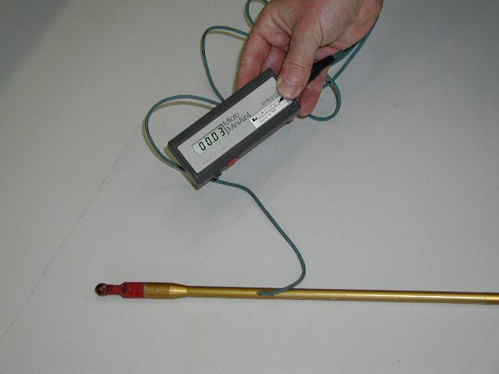
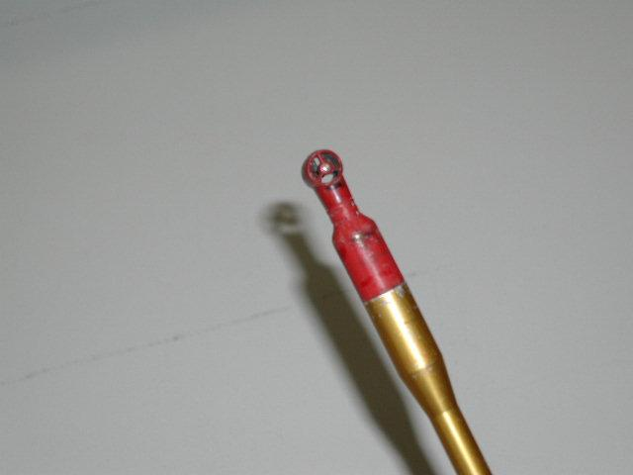
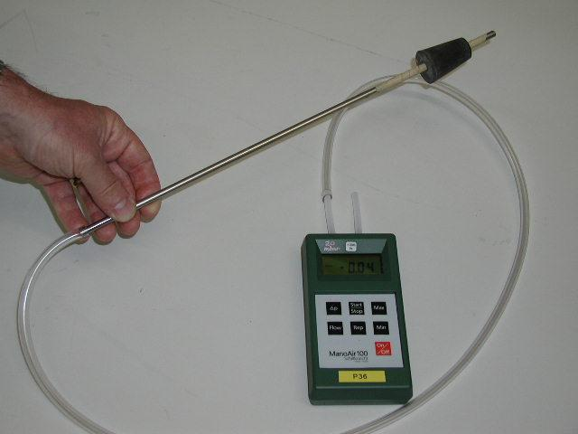
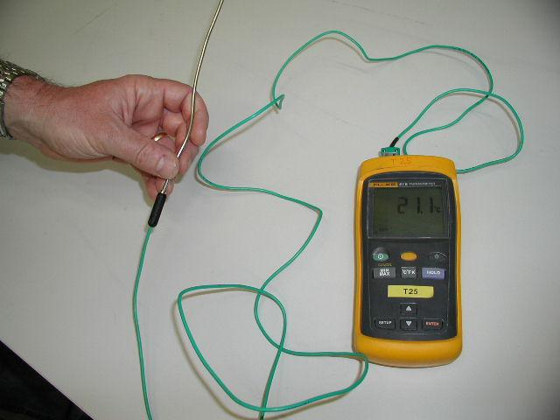
 | - In case of separate fans or blowers (e.g. jet air of Pyrojet burner), measurement at fan inlet
 | or between fan and burner is possible.
 | - Although the measuring points at burner inlet are not optimal (after flap and before/after bend),
 | the flow rate can be measured with sufficient precision for the burner evaluation.
 | To verify the separate flow measurements, the total flow rate of the fan should be measured
 | before or after the fan at a suitable location (suction point or straight line between fan and burner).
- Pressure of axial-, radial- and central air:
 | - Pressure needs to be measured after the flap at the burner inlet of each channel.
- Flow rate of transport air for coal and solid AFR:
 | - Measurement point at blower inlet or after blower before the coal dust / AFR is added. | 3) Correct measurement position in ducts:
 |  | - The velocity in the ducts must be measured in 2 axis (90° to each other)
 | Example of measuring points for Pillard Rotaflam burner: | - 4-6 points need to be measured in each axis.
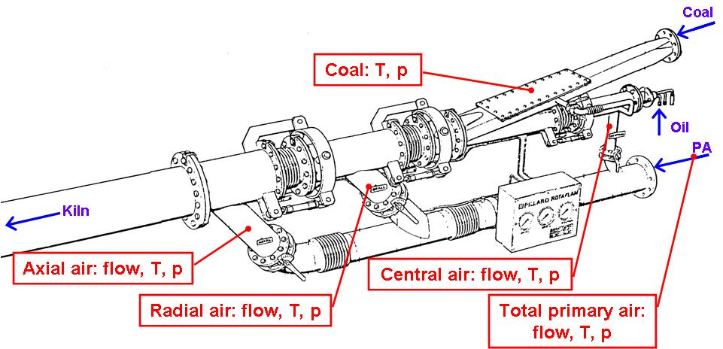
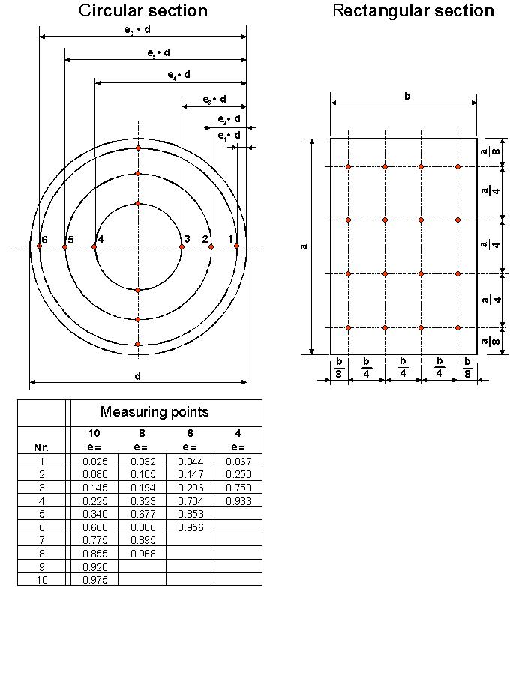

 | Example of measuring points for FLS Duoflex burner:
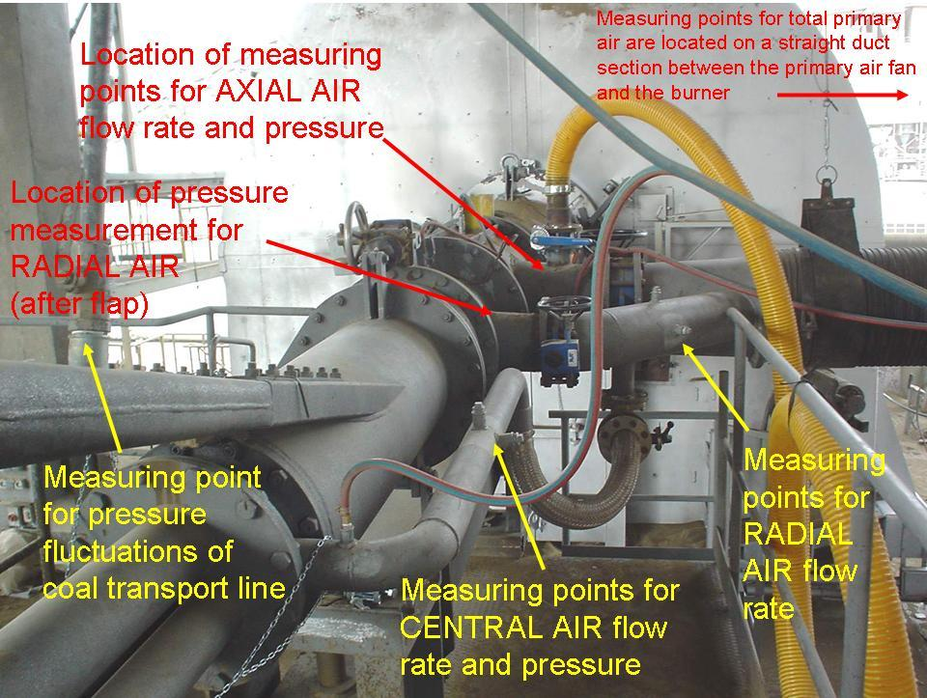

 |  | - Tool for Anemometer and Prandtl Measurements:

